Pivot Table Basics
 | Pivot Table >> It is used to summarization of Raw Data

Pivot means Orientation wise or turnable

Advantages of pivot table
1 . To generate different types of report
2. To generate Report in different view
3. To generate unique Records
4. Report in comparison mode
5. Use for Calculation & Analysis

Pillars of Pivot Table
a) Report Filter >> To show specific report
b) Column Label >> To show report in Horizontal Mode
c) Row Label >> To show report in vertical Mode
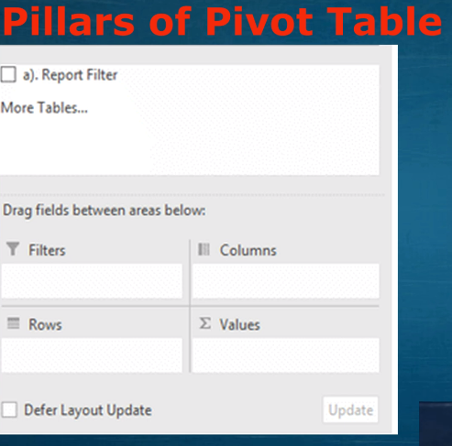
d) Values >> To use For calculation

